Report
 |  |  |  | Crystal Ball Report - Full
 |  |  |  | Simulation started on 1/3/2020 at 3:27 PM
 |  |  |  | Simulation stopped on 1/3/2020 at 3:30 PM

 | Run preferences:
 |  | Number of trials run | 100,000
 |  | Monte Carlo
 |  | Random seed
 |  | Precision control on
 |  | Confidence level | 95.00%

 | Run statistics:
 |  | Total running time (sec) | 200.63
 |  | Trials/second (average) | 498
 |  | Random numbers per sec | 2,991

 | Crystal Ball data:
 |  | Assumptions | 6
 |  | Correlations | 0
 |  | Correlation matrices | 0
 |  | Decision variables | 0
 |  | Forecasts | 2

 |  |  |  | Forecasts

Worksheet: [Module_1_LBSO.xlsx]Uncertainty

Forecast: CO2 emission factor |  |  |  |  |  | Cell: C10

 | Summary:
 |  | Certainty level is 95.000%
 |  | Certainty range is from 40.01 to 119.50
 |  | Entire range is from 19.51 to 223.43
 |  | Base case is 69.04
 |  | After 100,000 trials, the std. error of the mean is 0.06

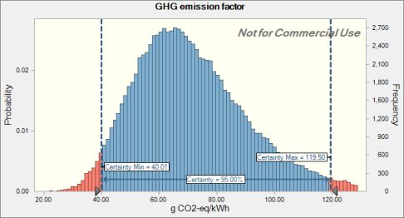

 | Statistics: |  | Forecast values
 |  | Trials | 100,000
 |  | Base Case | 69.04
 |  | Mean | 71.77
 |  | Median | 68.98
 |  | Mode | ---
 |  | Standard Deviation | 20.38
 |  | Variance | 415.44
 |  | Skewness | 0.8842
 |  | Kurtosis | 4.41
 |  | Coeff. of Variation | 0.2840
 |  | Minimum | 19.51
 |  | Maximum | 223.43
 |  | Range Width | 203.92
 |  | Mean Std. Error | 0.06

Forecast: CO2 emission factor (cont'd) |  |  |  |  |  | Cell: C10

 | Percentiles: |  | Forecast values
 |  | 0% | 19.51
 |  | 10% | 48.33
 |  | 20% | 54.70
 |  | 30% | 59.74
 |  | 40% | 64.38
 |  | 50% | 68.98
 |  | 60% | 74.03
 |  | 70% | 79.81
 |  | 80% | 87.20
 |  | 90% | 98.60
 |  | 100% | 223.43

Forecast: EPBT |  |  |  |  |  | Cell: C9

 | Summary:
 |  | Certainty level is 95.000%
 |  | Certainty range is from 0.31 to 0.80
 |  | Entire range is from 0.19 to 1.38
 |  | Base case is 0.50
 |  | After 100,000 trials, the std. error of the mean is 0.00

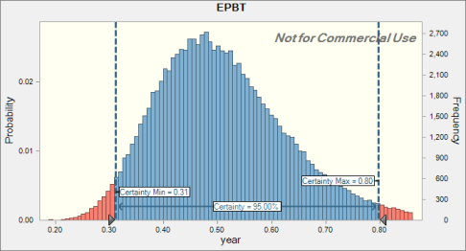

 | Statistics: |  | Forecast values
 |  | Trials | 100,000
 |  | Base Case | 0.50
 |  | Mean | 0.51
 |  | Median | 0.50
 |  | Mode | ---
 |  | Standard Deviation | 0.12
 |  | Variance | 0.02
 |  | Skewness | 0.7526
 |  | Kurtosis | 3.99
 |  | Coeff. of Variation | 0.2435
 |  | Minimum | 0.19
 |  | Maximum | 1.38
 |  | Range Width | 1.19
 |  | Mean Std. Error | 0.00

Forecast: EPBT (cont'd) |  |  |  |  |  | Cell: C9

 | Percentiles: |  | Forecast values
 |  | 0% | 0.19
 |  | 10% | 0.37
 |  | 20% | 0.41
 |  | 30% | 0.44
 |  | 40% | 0.47
 |  | 50% | 0.50
 |  | 60% | 0.53
 |  | 70% | 0.56
 |  | 80% | 0.61
 |  | 90% | 0.68
 |  | 100% | 1.38

End of Forecasts
 |  |  |  | Assumptions

Worksheet: [Module_1_LBSO.xlsx]Uncertainty

Assumption: CO2 · module 1 |  |  |  |  |  | Cell: C8

 | Lognormal distribution with parameters:
 |  | Location | 0.0
 |  | Geo. Mean | 74.6 |  | (=C8)
 |  | Geo. Std. Dev. | 1.1 |  | (=E8)

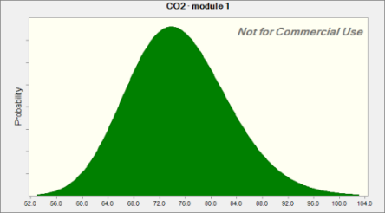

Assumption: Insolation · module 1 |  |  |  |  |  | Cell: C2

 | Normal distribution with parameters:
 |  | Mean | 1700 |  | (=C2)
 |  | Std. Dev. | 59 |  | (=E2)
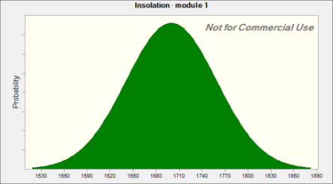

Assumption: lifetime · module 1 |  |  |  |  |  | Cell: C6

 | Lognormal distribution with parameters:
 |  | Location | 0
 |  | Geo. Mean | 5 |  | (=C6)
 |  | Geo. Std. Dev. | 1 |  | (=E6)

Assumption: lifetime · module 1 (cont'd) |  |  |  |  |  | Cell: C6

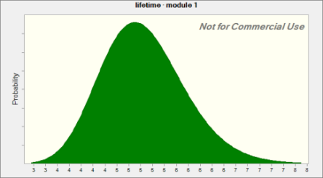

Assumption: module efficiency · module 1 |  |  |  |  |  | Cell: C4

 | Lognormal distribution with parameters:
 |  | Location | 0.00%
 |  | Geo. Mean | 16.96% |  | (=C4)
 |  | Geo. Std. Dev. | 105.00% |  | (=E4)
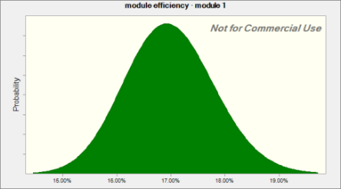

Assumption: performance ratio · module 1 |  |  |  |  |  | Cell: C3

 | Lognormal distribution with parameters:
 |  | Location | 0%
 |  | Geo. Mean | 75% |  | (=C3)
 |  | Geo. Std. Dev. | 123% |  | (=E3)

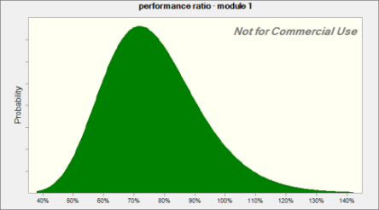

Assumption: primary energy consumption · module 1 |  |  |  |  |  | Cell: C7

 | Lognormal distribution with parameters:
 |  | Location | 0.0
 |  | Geo. Mean | 1343.0 |  | (=C7)
 |  | Geo. Std. Dev. | 1.1 |  | (=E7)

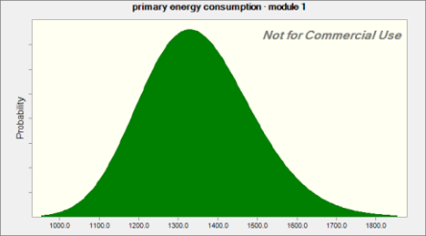

End of Assumptions
 |  |  |  | Sensitivity Charts

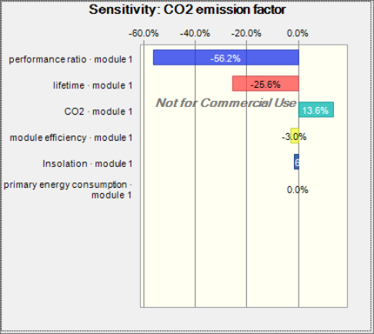

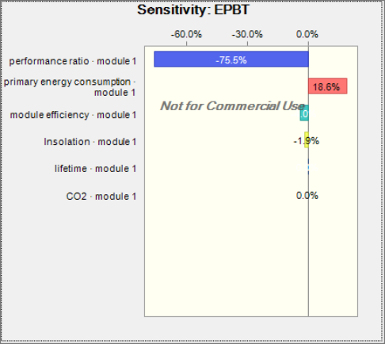

End of Sensitivity Charts

